How to use
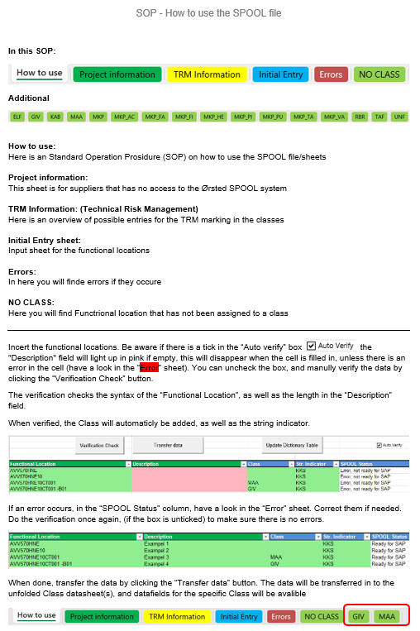

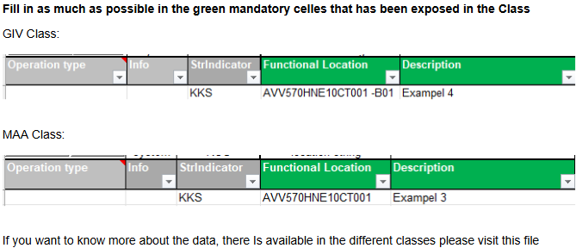

FL klassifikationer med kommentarer.xltx

Project information
Version: 05.09.2024

Ørsted project name:
Ørsted contact person:
Contractor name:
Contractor contact person:
Vendor name:
Vendor contact person:
Date:
Other information:
Important information.. This excel sheet is used for those suppliers that has no access to the Ørsted SPOOL system, that handles import/export of Functional Locations to Ørsted SAP. All Functional Locations created in this sheet must be new (greenfield) Functional Locations and always be unique. Henze the same Functional Location must not be pressent between the below classes. E.g. a Functional Location cannot be pressent in the "ELF" class and "GIV" class. Reused or Changed Functional Locations, must be changed in the SPOOL application directly. This setup must be discussed with the Contractor and Project. The Functional Location structure will be created and uploaded to SPOOL by Bioenergy & Thermal Power "Facility & Documentation" to third letter level e.g. "AVV 51 BAA". The rest of the structure must be created in SPOOL before this spreadsheet can be uploaded to SPOOL. It is therefore only the lest level of the structure that is added as the Functional Location in this document. Please do not change the names of the titles on the classes. This may result in errors when uploading. For more information and exambles to the Class content, please see the spreadsheet: FL klassifikationer med kommentarer ver1.xlsx

